S1-UEnrollment
THRESHOLD | #tasks IN | #Cx tasks IN | #seq. flows IN | size IN | density IN | connectivity IN | separability IN | time |  | #tasks OUT | #Cx tasks OUT | #seq. flows OUT | size OUT | density OUT | connectivity OUT | separability OUT
0.9 | 23.888888889 | 0 | 136.66666667 | 72.888888889 | 0.11385407842 | 4.0719361388 | 4 | 462431860.22 | 462 | 22.111111111 | 0.889 | 136.22222222 | 72.000 | 0.137 | 5.044 | 3.778
0.8 | 23.888888889 | 0 | 136.66666667 | 72.888888889 | 0.11385407842 | 4.0719361388 | 4 | 448236039.11 | 448 | 21.888888889 | 1.000 | 136.22222222 | 71.889 | 0.137 | 5.054 | 3.778
0.7 | 23.888888889 | 0 | 136.66666667 | 72.888888889 | 0.11385407842 | 4.0719361388 | 4 | 470185413.56 | 470 | 20.888888889 | 1.444 | 136 | 71.333 | 0.142 | 6.174 | 3.778
0.6 | 23.888888889 | 0 | 136.66666667 | 72.888888889 | 0.11385407842 | 4.0719361388 | 4 | 437099243.11 | 437 | 19.666666667 | 1.889 | 135.88888889 | 70.556 | 0.142 | 6.250 | 3.778
0.5 | 23.888888889 | 0 | 136.66666667 | 72.888888889 | 0.11385407842 | 4.0719361388 | 4 | 427178434.67 | 427 | 18 | 2.667 | 135.88888889 | 69.667 | 0.143 | 6.354 | 3.667
0.4 | 23.888888889 | 0 | 136.66666667 | 72.888888889 | 0.11385407842 | 4.0719361388 | 4 | 423384829.78 | 423 | 14.888888889 | 3.778 | 135.44444444 | 67.667 | 0.143 | 6.619 | 3.667
0.3 | 23.888888889 | 0 | 136.66666667 | 72.888888889 | 0.11385407842 | 4.0719361388 | 4 | 422538527.56 | 423 | 8.6666666667 | 5.222 | 135.11111111 | 62.889 | 0.144 | 7.670 | 3.556
0.2 | 23.888888889 | 0 | 136.66666667 | 72.888888889 | 0.11385407842 | 4.0719361388 | 4 | 518116611.22 | 518 | 3.6666666667 | 5.111 | 134 | 57.778 | 0.163 | 10.636 | 3.444
0.1 | 23.888888889 | 0 | 136.66666667 | 72.888888889 | 0.11385407842 | 4.0719361388 | 4 | 451146369.9 | 451 | 16.222222222 | 2.750 | 135.59722222 | 67.972 | 0.144 | 6.725 | 3.681

S2-VillasanteLab
THRESHOLD | #tasks IN | #Cx tasks IN | #seq. flows IN | size IN | density IN | connectivity IN | separability IN | time |  | #tasks OUT | #Cx tasks OUT | #seq. flows OUT | size | density | connectivity | separability
0.9 | 4.2272727273 | 0 | 12.454545455 | 9.8636363636 | 0.052399395 | 3.218452381 | 2.4545454545 | 24295553.909 | 24 | 3.5909090909 | 0.318 | 12.318 | 9.545 | 0.067 | 4.400 | 2.364
0.8 | 4.2272727273 | 0 | 12.454545455 | 9.8636363636 | 0.052399395 | 3.218452381 | 2.4545454545 | 23171082.318 | 23 | 3.5909090909 | 0.318 | 12.318 | 9.545 | 0.067 | 4.400 | 2.364
0.7 | 4.2272727273 | 0 | 12.454545455 | 9.8636363636 | 0.052399395 | 3.218452381 | 2.4545454545 | 23818612.045 | 24 | 3.5 | 0.364 | 12.318 | 9.500 | 0.067 | 4.409 | 2.364
0.6 | 4.2272727273 | 0 | 12.454545455 | 9.8636363636 | 0.052399395 | 3.218452381 | 2.4545454545 | 22874596.909 | 23 | 3.3636363636 | 0.409 | 12.318 | 9.409 | 0.067 | 4.427 | 2.364
0.5 | 4.2272727273 | 0 | 12.454545455 | 9.8636363636 | 0.052399395 | 3.218452381 | 2.4545454545 | 26630727.091 | 27 | 3.0909090909 | 0.545 | 12.136 | 9.273 | 0.068 | 4.443 | 2.364
0.4 | 4.2272727273 | 0 | 12.454545455 | 9.8636363636 | 0.052399395 | 3.218452381 | 2.4545454545 | 23595827.818 | 24 | 2.3181818182 | 0.864 | 11.409 | 8.818 | 0.069 | 4.720 | 2.364
0.3 | 4.2272727273 | 0 | 12.454545455 | 9.8636363636 | 0.052399395 | 3.218452381 | 2.4545454545 | 23212639.955 | 23 | 1.6363636364 | 1.091 | 10.773 | 8.364 | 0.069 | 4.821 | 2.364
0.2 | 4.2272727273 | 0 | 12.454545455 | 9.8636363636 | 0.052399395 | 3.218452381 | 2.4545454545 | 24911814.682 | 25 | 1.2727272727 | 0.909 | 10.000 | 7.818 | 0.071 | 5.135 | 2.364
0.1 | 4.2272727273 | 0 | 12.454545455 | 9.8636363636 | 0.052399395 | 3.218452381 | 2.4545454545 | 24086260.636 | 24 | 0.95454545455 | 0.636 | 9.318 | 7.227 | 0.074 | 6.659 | 2.364

S3-Tabula
THRESHOLD | #tasks IN | #Cx tasks IN | #seq. flows IN | size IN | density IN | connectivity IN | separability IN | time |  | #tasks OUT | #Cx tasks OUT | #seq. flows OUT | size OUT | density OUT | connectivity OUT | separability OUT
0.9 | 11.307692308 | 0 | 47.307692308 | 34.461538462 | 0.1029476361 | 4.0677678424 | 2.4615384615 | 187080667.31 | 187 | 10.231 | 0.538 | 47.231 | 33.923 | 0.133 | 5.450 | 2.462
0.8 | 11.307692308 | 0 | 47.307692308 | 34.461538462 | 0.1029476361 | 4.0677678424 | 2.4615384615 | 184557641.31 | 185 | 9.846 | 0.692 | 47.154 | 33.692 | 0.134 | 5.710 | 2.462
0.7 | 11.307692308 | 0 | 47.307692308 | 34.461538462 | 0.1029476361 | 4.0677678424 | 2.4615384615 | 195834548.08 | 196 | 9.538 | 0.846 | 47.000 | 33.538 | 0.134 | 5.719 | 2.462
0.6 | 11.307692308 | 0 | 47.307692308 | 34.461538462 | 0.1029476361 | 4.0677678424 | 2.4615384615 | 207744676.38 | 208 | 7.615 | 1.692 | 46.538 | 32.462 | 0.134 | 5.804 | 2.462
0.5 | 11.307692308 | 0 | 47.307692308 | 34.461538462 | 0.1029476361 | 4.0677678424 | 2.4615384615 | 207656136.77 | 208 | 6.462 | 2.077 | 46.077 | 31.692 | 0.134 | 5.877 | 2.462
0.4 | 11.307692308 | 0 | 47.307692308 | 34.461538462 | 0.1029476361 | 4.0677678424 | 2.4615384615 | 188709531 | 189 | 4.692 | 2.538 | 44.846 | 30.385 | 0.134 | 6.034 | 2.462
0.3 | 11.307692308 | 0 | 47.307692308 | 34.461538462 | 0.1029476361 | 4.0677678424 | 2.4615384615 | 186419106.92 | 186 | 3.769 | 2.692 | 44.538 | 29.615 | 0.134 | 6.179 | 2.462
0.2 | 11.307692308 | 0 | 47.307692308 | 34.461538462 | 0.1029476361 | 4.0677678424 | 2.4615384615 | 187019103.92 | 187 | 2.231 | 2.462 | 42.923 | 27.846 | 0.134 | 6.726 | 2.462
0.1 | 11.307692308 | 0 | 47.307692308 | 34.461538462 | 0.1029476361 | 4.0677678424 | 2.4615384615 | 195194012.31 | 195 | 1.385 | 2.000 | 42.154 | 26.538 | 0.138 | 8.069 | 2.462
0 | 11.307692308 | 0 | 47.307692308 | 34.461538462 | 0.1029476361 | 4.0677678424 | 2.4615384615 | 193405836.15 | 193 | 0.000 | 0.462 | 37.385 | 23.615 | 0.146 | 81.000 | 2.462

S4-XCare
THRESHOLD | #tasks IN | #Cx tasks IN | #seq. flows IN | size IN | density IN | connectivity IN | separability IN | time |  | #tasks OUT | #Cx tasks OUT | #seq. flows OUT | size OUT | density OUT | connectivity OUT | separability OUT
0.9 | 12.75 | 0 | 52.75 | 36.25 | 0.14446790878 | 3.207451258 | 3 | 58825193.75 | 59 | 11 | 0.875 | 52.750 | 35.375 | 0.181 | 3.787 | 2.875
0.8 | 12.75 | 0 | 52.75 | 36.25 | 0.14446790878 | 3.207451258 | 3 | 60869738.875 | 61 | 10.75 | 1.000 | 52.750 | 35.250 | 0.181 | 3.827 | 2.875
0.7 | 12.75 | 0 | 52.75 | 36.25 | 0.14446790878 | 3.207451258 | 3 | 58833278 | 59 | 10.75 | 1.000 | 52.750 | 35.250 | 0.181 | 3.827 | 2.875
0.6 | 12.75 | 0 | 52.75 | 36.25 | 0.14446790878 | 3.207451258 | 3 | 61734492.5 | 62 | 10.75 | 1.000 | 52.750 | 35.250 | 0.181 | 3.827 | 2.875
0.5 | 12.75 | 0 | 52.75 | 36.25 | 0.14446790878 | 3.207451258 | 3 | 69317532 | 69 | 10.75 | 1.000 | 52.750 | 35.250 | 0.181 | 3.827 | 2.875
0.4 | 12.75 | 0 | 52.75 | 36.25 | 0.14446790878 | 3.207451258 | 3 | 58489609.125 | 58 | 10.75 | 1.000 | 52.750 | 35.250 | 0.181 | 3.827 | 2.875
0.3 | 12.75 | 0 | 52.75 | 36.25 | 0.14446790878 | 3.207451258 | 3 | 60621683.375 | 61 | 10.75 | 1.000 | 52.750 | 35.250 | 0.181 | 3.827 | 2.875
0.2 | 12.75 | 0 | 52.75 | 36.25 | 0.14446790878 | 3.207451258 | 3 | 53804271.5 | 54 | 10 | 1.125 | 52.750 | 34.625 | 0.183 | 4.014 | 2.875
0.1 | 12.75 | 0 | 52.75 | 36.25 | 0.14446790878 | 3.207451258 | 3 | 56927460.875 | 57 | 8.25 | 1.875 | 52.750 | 33.625 | 0.185 | 4.184 | 2.875
0 | 12.75 | 0 | 52.75 | 36.25 | 0.14446790878 | 3.207451258 | 3 | 59581342.125 | 60 | 0 | 0.875 | 48.625 | 24.375 | 0.241 | 55.571 | 2.875

Together
Size
 | S1 |  | S2 |  | S3 |  | S4
0.9 | 72.000 | 0.9 | 9.545 | 0.9 | 33.923 | 0.9 | 35.375
0.8 | 71.889 | 0.8 | 9.545 | 0.8 | 33.692 | 0.8 | 35.250
0.7 | 71.333 | 0.7 | 9.500 | 0.7 | 33.538 | 0.7 | 35.250
0.6 | 70.556 | 0.6 | 9.409 | 0.6 | 32.462 | 0.6 | 35.250
0.5 | 69.667 | 0.5 | 9.273 | 0.5 | 31.692 | 0.5 | 35.250
0.4 | 67.667 | 0.4 | 8.818 | 0.4 | 30.385 | 0.4 | 35.250
0.3 | 62.889 | 0.3 | 8.364 | 0.3 | 29.615 | 0.3 | 35.250
0.2 | 57.778 | 0.2 | 7.818 | 0.2 | 27.846 | 0.2 | 34.625
0.1 | 67.972 | 0.1 | 7.227 | 0.1 | 26.538 | 0.1 | 33.625
 |  |  |  | 0 |  | 0
Density
 | S1 |  | S2 |  | S3 |  | S4
0.9 | 0.137 | 0.9 | 0.067 | 0.9 | 0.133 | 0.9 | 0.181
0.8 | 0.137 | 0.8 | 0.067 | 0.8 | 0.134 | 0.8 | 0.181
0.7 | 0.142 | 0.7 | 0.067 | 0.7 | 0.134 | 0.7 | 0.181
0.6 | 0.142 | 0.6 | 0.067 | 0.6 | 0.134 | 0.6 | 0.181
0.5 | 0.143 | 0.5 | 0.068 | 0.5 | 0.134 | 0.5 | 0.181
0.4 | 0.143 | 0.4 | 0.069 | 0.4 | 0.134 | 0.4 | 0.181
0.3 | 0.144 | 0.3 | 0.069 | 0.3 | 0.134 | 0.3 | 0.181
0.2 | 0.163 | 0.2 | 0.071 | 0.2 | 0.134 | 0.2 | 0.183
0.1 | 0.144 | 0.1 | 0.074 | 0.1 | 0.138 | 0.1 | 0.185
 |  |  |  | 0 |  | 0

Connectivity
 | S1 |  | S2 |  | S3 |  | S4
0.9 | 5.044 | 0.9 | 4.400 | 0.9 | 5.450 | 0.9 | 3.787
0.8 | 5.054 | 0.8 | 4.400 | 0.8 | 5.710 | 0.8 | 3.827
0.7 | 6.174 | 0.7 | 4.409 | 0.7 | 5.719 | 0.7 | 3.827
0.6 | 6.250 | 0.6 | 4.427 | 0.6 | 5.804 | 0.6 | 3.827
0.5 | 6.354 | 0.5 | 4.443 | 0.5 | 5.877 | 0.5 | 3.827
0.4 | 6.619 | 0.4 | 4.720 | 0.4 | 6.034 | 0.4 | 3.827
0.3 | 7.670 | 0.3 | 4.821 | 0.3 | 6.179 | 0.3 | 3.827
0.2 | 10.636 | 0.2 | 5.135 | 0.2 | 6.726 | 0.2 | 4.014
0.1 | 6.725 | 0.1 | 6.659 | 0.1 | 8.069 | 0.1 | 4.184
 |  |  |  | 0
Separability
 | S1 |  | S2 |  | S3 |  | S4
0.9 | 3.778 | 0.9 | 2.364 | 0.9 | 2.462 | 0.9 | 2.875
0.8 | 3.778 | 0.8 | 2.364 | 0.8 | 2.462 | 0.8 | 2.875
0.7 | 3.778 | 0.7 | 2.364 | 0.7 | 2.462 | 0.7 | 2.875
0.6 | 3.778 | 0.6 | 2.364 | 0.6 | 2.462 | 0.6 | 2.875
0.5 | 3.667 | 0.5 | 2.364 | 0.5 | 2.462 | 0.5 | 2.875
0.4 | 3.667 | 0.4 | 2.364 | 0.4 | 2.462 | 0.4 | 2.875
0.3 | 3.556 | 0.3 | 2.364 | 0.3 | 2.462 | 0.3 | 2.875
0.2 | 3.444 | 0.2 | 2.364 | 0.2 | 2.462 | 0.2 | 2.875
0.1 | 3.681 | 0.1 | 2.364 | 0.1 | 2.462 | 0.1 | 2.875
 |  |  |  | 0 |  | 0

# Clustered Tasks
 | S3 |  | S4 |  | S1 |  | S2
0.9 | 0.538 | 0.9 | 0.875 | 0.9 | 0.889 | 0.9 | 0.318
0.8 | 0.692 | 0.8 | 1.000 | 0.8 | 1.000 | 0.8 | 0.318
0.7 | 0.846 | 0.7 | 1.000 | 0.7 | 1.444 | 0.7 | 0.364
0.6 | 1.692 | 0.6 | 1.000 | 0.6 | 1.889 | 0.6 | 0.409
0.5 | 2.077 | 0.5 | 1.000 | 0.5 | 2.667 | 0.5 | 0.545
0.4 | 2.538 | 0.4 | 1.000 | 0.4 | 3.778 | 0.4 | 0.864
0.3 | 2.692 | 0.3 | 1.000 | 0.3 | 5.222 | 0.3 | 1.091
0.2 | 2.462 | 0.2 | 1.125 | 0.2 | 5.111 | 0.2 | 0.909
0.1 | 2.000 | 0.1 | 1.875 | 0.1 | 2.750 | 0.1 | 0.636
0

Hoja1
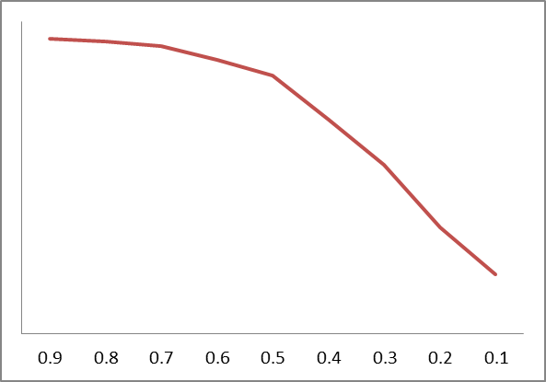
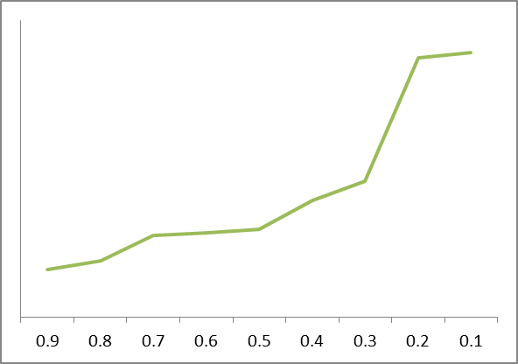
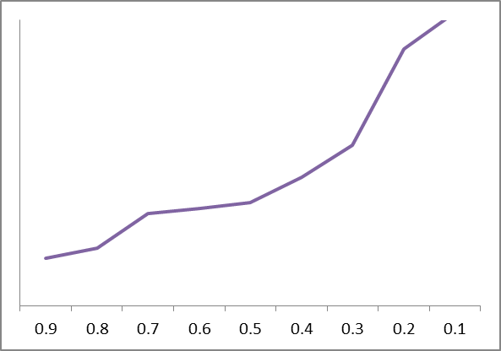
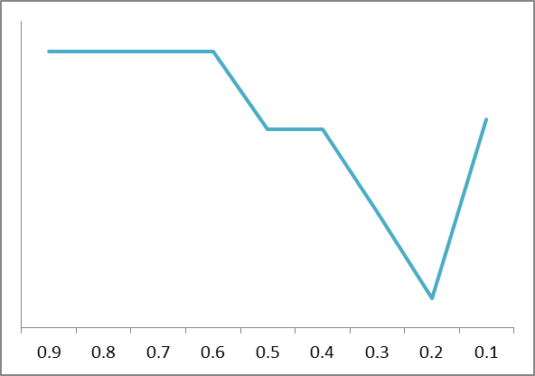
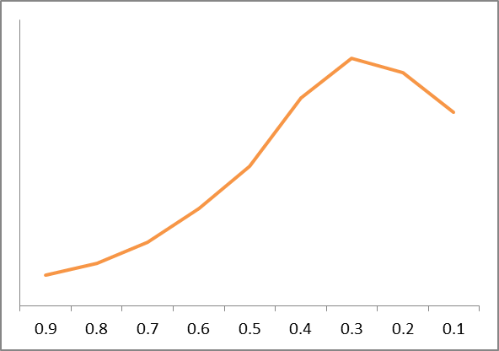
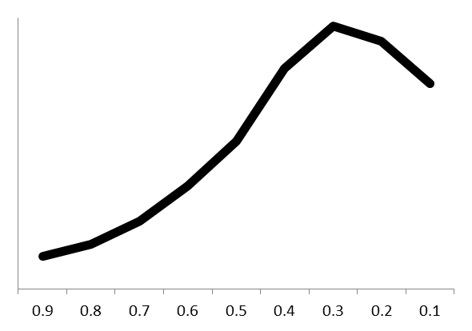
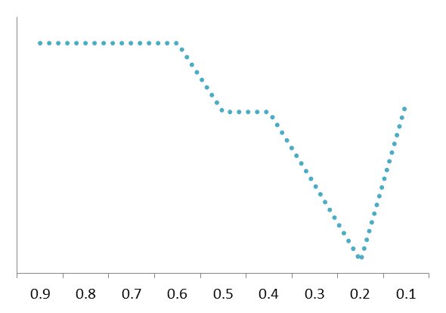
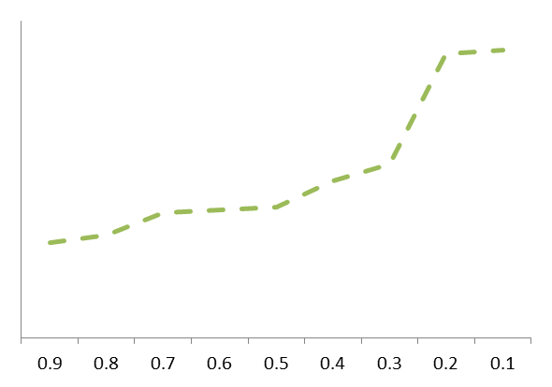
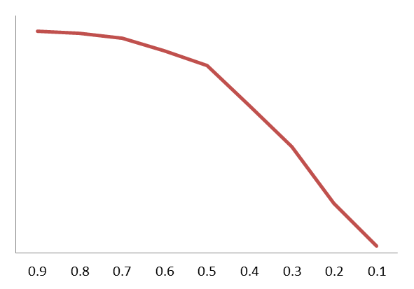
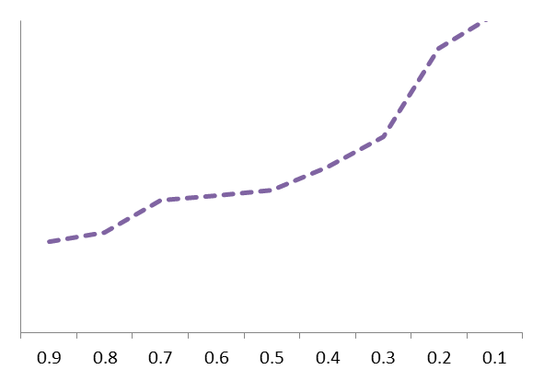
THRESHOLD | #tasks IN | #Cx tasks IN | #seq. flows IN | size IN | density IN | connectivity IN | separability IN | time |  | #tasks OUT | #Cx tasks OUT | #seq. flows OUT | size OUT | density OUT | connectivity OUT | separability OUT | time | # Clustered tasks | Size | Density | Connectivity | Separability | minimax value
0.9 | 8.983 | 0.000 | 31.322 | 23.296 | 0.090 | 3.591 | 2.863 | 60913320.520 | 61 | 7.807 | 0.550 | 31.092 | 22.676 | 0.114 | 4.582 | 2.774 | 0.010 | -1.290 | -0.888 | -0.962 | -1.055 | -0.816 | -3.721 | -5.011
0.8 | 8.983 | 0.000 | 31.322 | 23.296 | 0.090 | 3.591 | 2.863 | 59492739.548 | 59 | 7.711 | 0.607 | 31.083 | 22.634 | 0.114 | 4.643 | 2.774 | -0.538 | -1.152 | -0.864 | -0.858 | -0.935 | -0.816 | -3.473 | -4.625
0.7 | 8.983 | 0.000 | 31.322 | 23.296 | 0.090 | 3.591 | 2.863 | 60409884.587 | 60 | 7.527 | 0.711 | 31.064 | 22.539 | 0.115 | 4.849 | 2.774 | -0.184 | -0.901 | -0.807 | -0.545 | -0.529 | -0.816 | -2.698 | -3.599
0.6 | 8.983 | 0.000 | 31.322 | 23.296 | 0.090 | 3.591 | 2.863 | 59686857.379 | 60 | 6.987 | 0.876 | 31.011 | 22.268 | 0.115 | 4.881 | 2.774 | -0.463 | -0.502 | -0.646 | -0.509 | -0.466 | -0.816 | -2.438 | -2.939
0.5 | 8.983 | 0.000 | 31.322 | 23.296 | 0.090 | 3.591 | 2.863 | 67643473.811 | 68 | 6.381 | 1.084 | 30.671 | 21.964 | 0.115 | 4.914 | 2.759 | 2.610 | 0.001 | -0.465 | -0.466 | -0.400 | 0.093 | -1.238 | -1.237
0.4 | 8.983 | 0.000 | 31.322 | 23.296 | 0.090 | 3.591 | 2.863 | 59578339.314 | 60 | 4.971 | 1.420 | 29.350 | 21.113 | 0.116 | 5.063 | 2.759 | -0.505 | 0.813 | 0.040 | -0.110 | -0.107 | 0.093 | -0.083 | 0.730
0.3 | 8.983 | 0.000 | 31.322 | 23.296 | 0.090 | 3.591 | 2.863 | 59429509.313 | 59 | 3.687 | 1.613 | 28.241 | 20.243 | 0.117 | 5.257 | 2.743 | -0.563 | 1.280 | 0.557 | 0.122 | 0.274 | 1.049 | 2.001 | 3.281
0.2 | 8.983 | 0.000 | 31.322 | 23.296 | 0.090 | 3.591 | 2.863 | 60601840.795 | 61 | 2.490 | 1.544 | 26.717 | 19.047 | 0.121 | 5.826 | 2.726 | -0.110 | 1.113 | 1.267 | 1.636 | 1.394 | 2.053 | 6.351 | 7.464
0.1 | 8.983 | 0.000 | 31.322 | 23.296 | 0.090 | 3.591 | 2.863 | 60219793.389 | 60 | 2.048 | 1.348 | 25.418 | 18.141 | 0.121 | 6.044 | 2.761 | -0.257 | 0.638 | 1.806 | 1.692 | 1.824 | -0.023 | 5.298 | 5.936

Hoja1 (2)
THRESHOLD | #tasks IN | #Cx tasks IN | #seq. flows IN | size IN | density IN | connectivity IN | separability IN | time | #tasks OUT | #Cx tasks OUT | #seq. flows OUT | size OUT | density OUT | connectivity OUT | separability OUT | #Cx tasks OUT | size OUT | density OUT | connectivity OUT | separability OUT
0.9 | 13.043 | 0.000 | 62.295 | 38.366 | 0.103 | 3.641 | 2.979 | 183158318.797 | 183.158 | 11.733 | 0.655 | 62.130 | 37.711 | 0.130 | 4.670 | 1.083 | -0.940 | 0.986 | -1.037 | 1.053 | 0.062 | 1.145
0.8 | 13.043 | 0.000 | 62.295 | 38.366 | 0.103 | 3.641 | 2.979 | 179208625.403 | 179.209 | 11.519 | 0.753 | 62.111 | 37.594 | 0.130 | 4.748 | 1.002 | -0.918 | -0.928 | -0.866 | 0.941 | -1.771 | -0.768
0.7 | 13.043 | 0.000 | 62.295 | 38.366 | 0.103 | 3.641 | 2.979 | 187167962.919 | 187.168 | 11.169 | 0.914 | 62.017 | 37.405 | 0.131 | 5.032 | 0.871 | -0.813 | -0.835 | -0.395 | 0.532 | -1.510 | -0.640
0.6 | 13.043 | 0.000 | 62.295 | 38.366 | 0.103 | 3.641 | 2.979 | 182363252.226 | 182.363 | 10.349 | 1.248 | 61.874 | 36.919 | 0.131 | 5.077 | 0.562 | -0.653 | -0.593 | -0.373 | 0.468 | -1.152 | -0.590
0.5 | 13.043 | 0.000 | 62.295 | 38.366 | 0.103 | 3.641 | 2.979 | 182695707.632 | 182.696 | 9.576 | 1.572 | 61.713 | 36.470 | 0.131 | 5.125 | 0.271 | -0.472 | -0.371 | -0.343 | 0.398 | -0.788 | -0.517
0.4 | 13.043 | 0.000 | 62.295 | 38.366 | 0.103 | 3.641 | 2.979 | 173544949.430 | 173.545 | 8.162 | 2.045 | 61.112 | 35.530 | 0.132 | 5.300 | -0.261 | 0.201 | 0.096 | -0.195 | 0.146 | 0.249 | -0.013
0.3 | 13.043 | 0.000 | 62.295 | 38.366 | 0.103 | 3.641 | 2.979 | 173197989.452 | 173.198 | 6.206 | 2.501 | 60.793 | 34.029 | 0.132 | 5.624 | -0.998 | 0.559 | 0.841 | -0.017 | -0.321 | 1.062 | 0.064
0.2 | 13.043 | 0.000 | 62.295 | 38.366 | 0.103 | 3.641 | 2.979 | 195962950.332 | 195.963 | 4.293 | 2.402 | 59.918 | 32.017 | 0.138 | 6.628 | -1.718 | 1.539 | 1.841 | 2.125 | -1.766 | 3.739 | 2.020
0.1 | 13.043 | 0.000 | 62.295 | 38.366 | 0.103 | 3.641 | 2.979 | 181838525.930 | 181.839 | 6.703 | 1.815 | 59.955 | 33.841 | 0.135 | 6.409 | -0.811 | 1.498 | 0.935 | 1.100 | -1.451 | 2.082 | 1.271

Hoja1 (3)
THRESHOLD | #tasks IN | #Cx tasks IN | #seq. flows IN | size IN | density IN | connectivity IN | separability IN | time |  | #tasks OUT | #Cx tasks OUT | #seq. flows OUT | size OUT | density OUT | connectivity OUT | separability OUT | time | # Clustered tasks | Size | Density | Connectivity | Separability | minimax value
0.9 | 8.983 | 0.000 | 31.322 | 23.296 | 0.090 | 3.591 | 2.863 | 60913320.520 | 61 | 7.807 | 0.550 | 31.092 | 22.676 | 0.114 | 4.582 | 2.774 | 0.010 | 0.00 | 0.00 | 0.00 | 0.00 | 0.00 | 0.00 | 0.000
0.8 | 8.983 | 0.000 | 31.322 | 23.296 | 0.090 | 3.591 | 2.863 | 59492739.548 | 59 | 7.711 | 0.607 | 31.083 | 22.634 | 0.114 | 4.643 | 2.774 | -0.538 | 0.05 | 0.01 | 0.04 | 0.04 | 0.00 | 0.03 | 0.143
0.7 | 8.983 | 0.000 | 31.322 | 23.296 | 0.090 | 3.591 | 2.863 | 60409884.587 | 60 | 7.527 | 0.711 | 31.064 | 22.539 | 0.115 | 4.849 | 2.774 | -0.184 | 0.15 | 0.03 | 0.16 | 0.18 | 0.00 | 0.10 | 0.521
0.6 | 8.983 | 0.000 | 31.322 | 23.296 | 0.090 | 3.591 | 2.863 | 59686857.379 | 60 | 6.987 | 0.876 | 31.011 | 22.268 | 0.115 | 4.881 | 2.774 | -0.463 | 0.31 | 0.09 | 0.17 | 0.20 | 0.00 | 0.15 | 0.772
0.5 | 8.983 | 0.000 | 31.322 | 23.296 | 0.090 | 3.591 | 2.863 | 67643473.811 | 68 | 6.381 | 1.084 | 30.671 | 21.964 | 0.115 | 4.914 | 2.759 | 2.610 | 0.50 | 0.16 | 0.19 | 0.23 | 0.32 | 0.28 | 1.391
0.4 | 8.983 | 0.000 | 31.322 | 23.296 | 0.090 | 3.591 | 2.863 | 59578339.314 | 60 | 4.971 | 1.420 | 29.350 | 21.113 | 0.116 | 5.063 | 2.759 | -0.505 | 0.82 | 0.34 | 0.32 | 0.33 | 0.32 | 0.43 | 2.130
0.3 | 8.983 | 0.000 | 31.322 | 23.296 | 0.090 | 3.591 | 2.863 | 59429509.313 | 59 | 3.687 | 1.613 | 28.241 | 20.243 | 0.117 | 5.257 | 2.743 | -0.563 | 1.00 | 0.54 | 0.41 | 0.46 | 0.65 | 0.61 | 3.056
0.2 | 8.983 | 0.000 | 31.322 | 23.296 | 0.090 | 3.591 | 2.863 | 60601840.795 | 61 | 2.490 | 1.544 | 26.717 | 19.047 | 0.121 | 5.826 | 2.726 | -0.110 | 0.93 | 0.80 | 0.98 | 0.85 | 1.00 | 0.91 | 4.565
0.1 | 8.983 | 0.000 | 31.322 | 23.296 | 0.090 | 3.591 | 2.863 | 60219793.389 | 60 | 2.048 | 1.348 | 25.418 | 18.141 | 0.121 | 6.044 | 2.761 | -0.257 | 0.75 | 1.00 | 1.00 | 1.00 | 0.28 | 0.81 | 4.027

Effectiveness
System | time (ms) | #tasks | #seq. flows | #Cx tasks | Size | Density | Density |  | Connectivity | Connectivity |  | Separability | Reduction | Improvement |  | Improvement |  | Reduction
REFERENCE |  | 23.89 | 136.67 | 0.00 | 72.89 | 0.11 | 0.11 | 100% | 4.07 | 4.07 | 100% | 4.00 | 0.00 | 0.00 | 0% | 0.00 | 0% | 0.00
S1 | 422.54 | 8.67 | 135.11 | 5.22 | 62.89 | 0.14 | 0.11 | 100% | 7.67 | 4.07 | 100% | 3.56 | 10.00 | 0.03 | 27% | 3.60 | 88% | 0.44
S2 | 23.21 | 1.64 | 10.77 | 1.09 | 8.36 | 0.07 | 0.07 | 64% | 4.82 | 4.07 | 100% | 2.36 | 64.53 | 0.04 | 36% | 0.75 | 18% | 1.64
S3 | 186.42 | 3.77 | 44.54 | 2.69 | 29.62 | 0.13 | 0.11 | 100% | 6.18 | 4.07 | 100% | 2.46 | 43.27 | 0.02 | 18% | 2.11 | 52% | 1.54
S4 | 60.62 | 10.75 | 52.75 | 1.00 | 35.25 | 0.18 | 0.11 | 100% | 3.83 | 3.83 | 94% | 2.88 | 37.64 | 0.07 | 61% | 0.25 | 6% | 1.13

Size
Density

size

Separability
Connectivity

System | Size | Density | Connectivity | Separability | Size | Density | Connectivity | Separability
REFERENCE | 72.89 | 0.11 | 4.07 | 4.00 | 0% | 0% | 0% | 0%
S1 | 62.89 | 0.14 | 7.67 | 3.56 | 14% | -26% | -88% | 11%
S2 | 8.36 | 0.07 | 4.82 | 2.36 | 89% | 39% | -18% | 41%
S3 | 29.62 | 0.13 | 6.18 | 2.46 | 59% | -18% | -52% | 38%
S4 | 35.25 | 0.18 | 3.83 | 2.88 | 52% | -59% | 6% | 28%
OVERALL | 34.03 | 0.13 | 5.62 | 2.81 | 53% | -16% | -38% | 30%

